Release
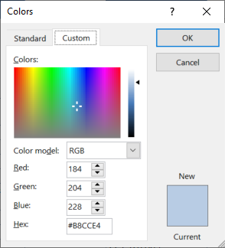
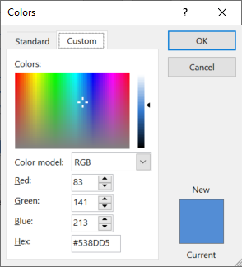
(r) Template release
Version | Date | Made by | Description
9 | 2-Nov-20 | Pieter van Zyl | Updates for a customer. | https://www.compart.com/en/unicode/U+2022
10 | 2-Nov-20 | Pieter van Zyl | Version history table added
13 | 7-Nov-20 | Pieter van Zyl | Combine 01 and 02 plan in one. Merge tables . Move address sections into StartupInfo
16 | 10-Nov-20 | Pieter van Zyl | Updated the macros
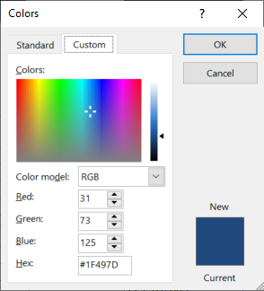
17 | 10-Nov-20 | Pieter van Zyl | Added OU location formula
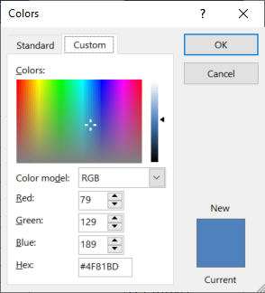
24 | 18-Nov-20 | Pieter van Zyl | Include Opening briefing lookup (Standard). Add macros back
25 | 18-Nov-20 | Pieter van Zyl | Included resource estimates 12_ResourceEstimatesV3
26 | 19-Nov-20 | Pieter van Zyl | Start working on Participant List (All staff, all potential participants, recommended participants)
34 | 5-Dec-20 | Pieter van Zyl | Included PPQA quality flag
39 | 6-Jan-21 | Pieter van Zyl | Small updates. Incl pvt prefix
41 | 15-Jan-21 | Pieter van Zyl | Included free for use license agreement, based on MIT free use license agreement.

StartupInfo
Demix appraisal start-up information |  | Source
Organization
Organization name (legal entity name) | Company Full Name Ltd. | A3
Chinese name | 公司名 | A3
Address Line 1 | Room 1, West Block, High-Tech Plaza
Address Line 2 | Some Street, Some District
City | Shenzhen | A3
State/Province/Region | Guangdong | A3
ZIP/Postal Code | 200080
Country | China | Drop down
Organization main address including City, ZIP/Postal Code, and Country | Room 1, West Block, High-Tech Plaza, Some Street, Some District, Shenzhen, Guangdong, 200080, China | .
Website address / URL | http://www.companyWebSite.com
Business objectives | [B1] Through internal management to improve, to provide high-quality products and services,improve customer satisfaction and increase market share | Planning
QPPO Target Measurement/KPI | Decrease delivery defect density by 10% | Planning
QPPO Actual Measurement/KPI | Delivery defect density decreased by 10% | Planning
Company Logo Here
Company logo |  |  | << Keep logo within the block

OU Information
OU Name | R&D Center
OU Name (Chinese) | 研发中心
OU Description | OU Description
OU Structure (write, no picture) | 1 Board of directors 2 General Manager 3 R&D Center 3.1 Quality Management Department 3.2 Development Department 3.3 Testing Department
Domain | (J-63) Information and communication - Information service activities | Drop down
Previous appraisal ID | 761
OU locations | Shenzhen only | .

Appraisal Sponsor and ATL Information
Title | Manager | A3
Sponsor Name | SponseSurname, A | A3
Organizational affiliation | Company Full Name Ltd. | A3
Relationship to the Organizational Unit (OU) | External | Drop down
Appraisal Sponsor mailing address including city, ZIP/Postal Code, country | Room 1, West Block, High-Tech Plaza, Some Street, Some District, Shenzhen, Guangdong, 200080, China | .
Sponsor email address | sponsor@gmail.com | A3
Sponsor phone number | 0000-1111-22222 | A3

OU Coordinator
OU Coordinator name | SiteCoordinator, A | A3
Relationship to the OU being appraised | External | Drop down
Phone number | 00000-22222-44444 | A3
Email address | siteCoridnator@gmail.com | A3

Translator
Name | TranslatorSurname, A | A3
Organizational Affiliation | tbd | A3
OU Relationship | External | Drop down
Reporting Relationship | Other | Drop down
Other Reporting Relationship | Reports directly to the ATL
Phone number | tbd | A3
Email address | tbd | A3

